HTTP VS HTTP2
 | Difference Between HTTP1.1 and HTTP 2
 |  |  | Diagram for HTTP1.1 VS HTTP2

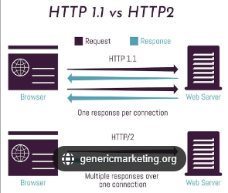
S.NO | HTTP1.1 | HTTP 2
1 | *HTTP1 loads a single request for every TCP connection, while HTTP2 avoids network delay by using multiplexing. | *HTTP2 is much faster and more reliable than HTTP1.

2 | *HTTP/1.1, which keeps all requests and responses in plain text format. | *HTTP/2 uses the binary framing layer to encapsulate all messages in binary format, while still maintaining HTTP semantics, such as verbs, methods, and headers.

3 | *It works on the textual format. | *It works on the binary protocol.

4 | *There is head of line blocking that blocks all the requests behind it until it doesn’t get its all resources. | *It allows multiplexing so one TCP connection is required for multiple requests.

5 | It uses requests resource Inlining for use getting multiple pages | It uses PUSH frame by server that collects all multiple pages

6 | It compresses data by itself. | It uses HPACK for data compression.
 | Multiplexing
7 | *HTTP/1.1 loads resources one after the other, so if one resource cannot be loaded, it blocks all the other resources behind it | * HTTP/2 is able to use a single TCP connection to send multiple streams of data at once so that no one resource blocks any other resource. HTTP/2 does this by splitting data into binary-code messages and numbering these messages so that the client knows which stream each binary message
 | Server push:
8 | *Typically, a server only serves content to a client device if the client asks for it. However, this approach is not always practical for modern webpages, which often involve several dozen separate resources that the client must request. | *HTTP/2 solves this problem by allowing a server to "push" content to a client before the client asks for it. The server also sends a message letting the client know what pushed content to expect – like if Bob had sent Alice a Table of Contents of his novel before sending the whole thing.
 | Header compression:
9 | * Small files load more quickly than large ones. To speed up web performance, both HTTP/1.1 and HTTP/2 compress HTTP messages to make them smaller. | *HTTP/2 uses a more advanced compression method called HPACK that eliminates redundant information in HTTP header packets. This eliminates a few bytes from every HTTP packet. Given the volume of HTTP packets involved in loading even a single webpage, those bytes add up quickly, resulting in faster loading.

